Pictures
S20799-10 | S20647-16 | S2044-449 | S20773-31 | 2108-518
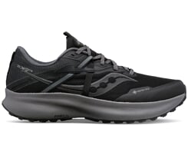 | 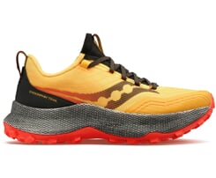 | 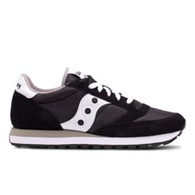 | 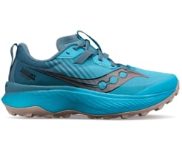 | 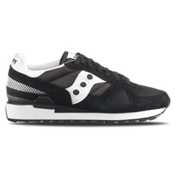
S20773-86 | S2108-856 | S70539-61 | S29095-85 | S20775-25
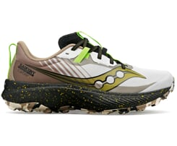 | 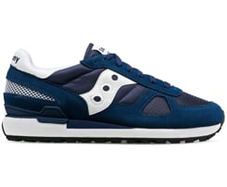 | 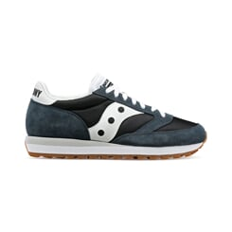 | 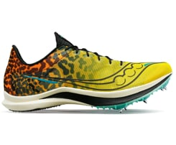 | 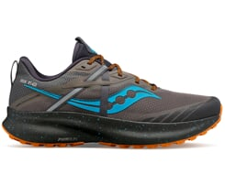
S29097-05 | S2108-851 | S20843-30 | S20856-30 | S2044-674
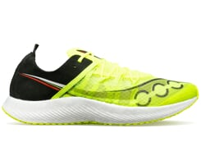 | 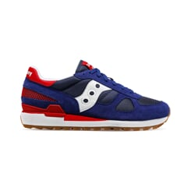 | 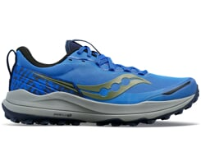 | 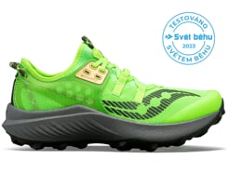 | 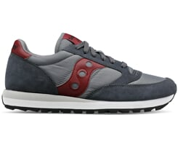
S20916-106 | S20916-111 | S20773-110 | S20761-105 | S20845-110
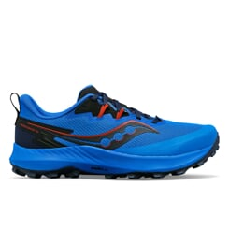 | 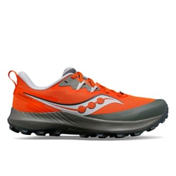 | 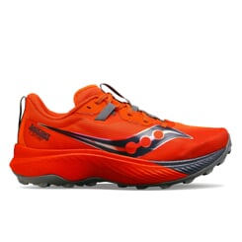 | 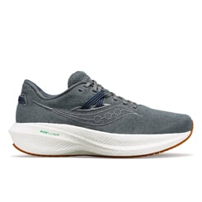 | 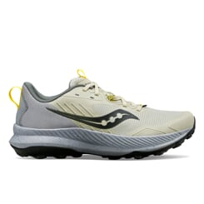
S20856-110 | S20823-139 | S70790-17 | S20966-254 | S20924-216
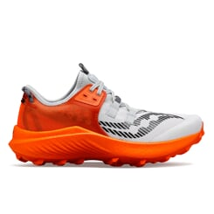 | 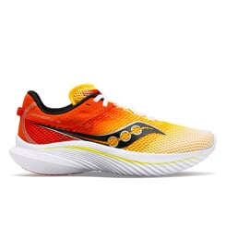 | 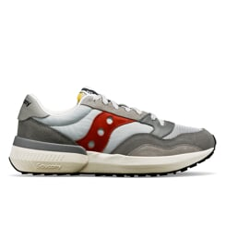 | 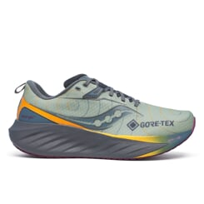 | 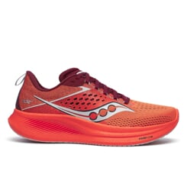
S20951-210 | S20924-220 | S20918-253 | S20916-220 | S20914-240
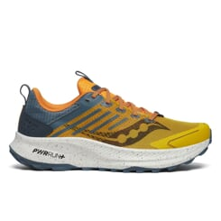 | 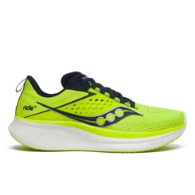 | 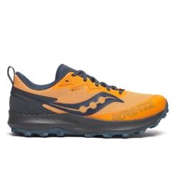 | 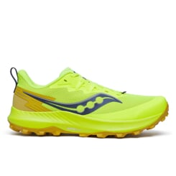 | 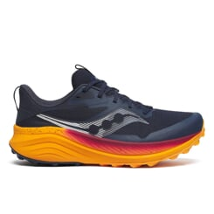
S20933-210 | S20847-222 | S20964-215 | S20934-211 | S20964-160
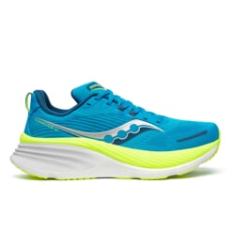 | 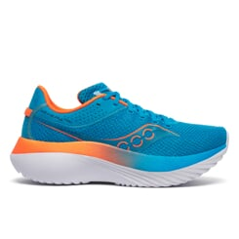 | 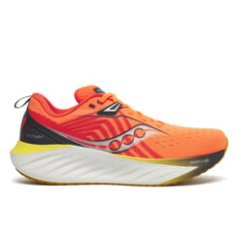 | 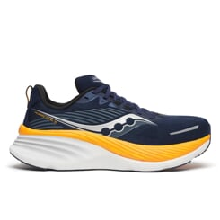 | 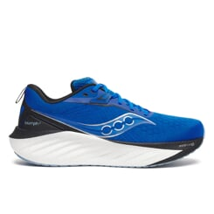
S20926-161 | S20964-102 | S20964-144 | S28215-100 | S20998-101
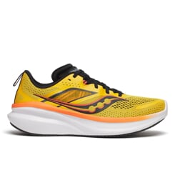 | 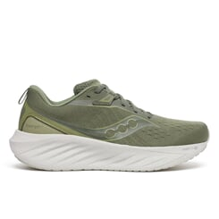 | 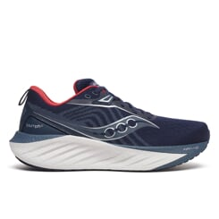 | 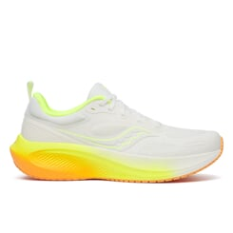 | 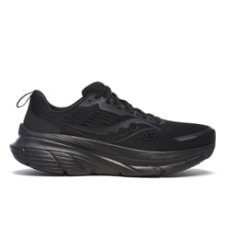
S20998-163 | S2044-715 | S20914-161 | S20933-163 | S21000-100
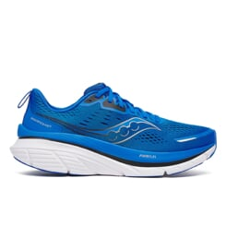 | 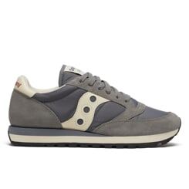 | 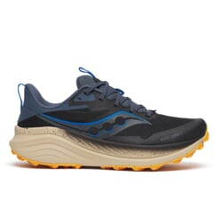 | 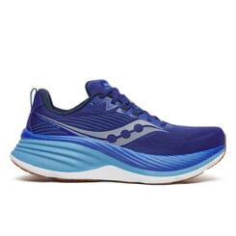 | 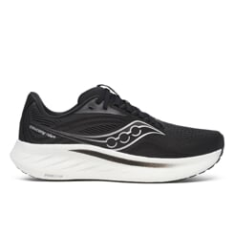
S20951-160 | S20933-164 | S20939-68 | S20996-130 | S20967-130
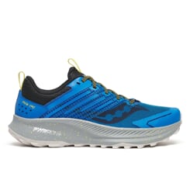 | 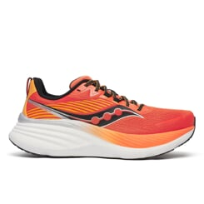 | 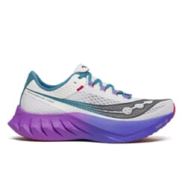 | 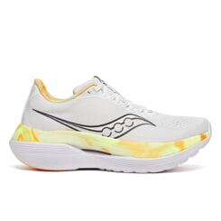 | 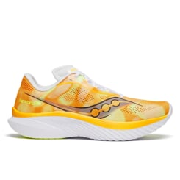
S20939-30 | S21000-160 | S20940-30 | S20940-68 | S21020-286

S21020-01 | S1108-810 | S10799-10 | S10723-05 | S10737-32

S1108-671 | S10823-85 | S10830-16 | S10830-25 | S10775-25

S10830-05 | S60757-11 | S60757-10 | S10830-30 | S10830-21

S10838-30 | S10916-121 | S10823-130 | S10924-106 | S10924-111

S10826-105 | S10845-110 | S10881-130 | S10881-138 | S10964-250

S10964-240 | S10951-240 | S1108-879 | S10966-253 | S10862-201

S60812-8 | S1044-696 | S10924-216 | S10914-212 | S10924-218

S10967-216 | S10940-212 | S10934-240 | S10926-200 | S10990-150

S10964-145 | S10964-161 | S10964-152 | S1044-714 | S10933-161

S11000-140 | S18215-100 | S10939-30 | S11000-104 | S10951-160

S10996-130 | S10990-161 | S10940-30 | SK266824 | SK266820

S2044-316 | S70790-1 | S2044-704 | S70841-1 | S70665-48

S30994-130 | S2044-396

